P1
Payment

1. Basic information
 | ITEM |  | VALUE
 | Menu Name |  | Loan Payments
 | Name |  | wc_loan.action_payment
 | Model |  | wc.loan.payment
 | View mode |  | tree, form

2. Screen transition

Loan Register

 |  | Add Payment
Loan Payments(Tree )
Loan Payments( Form )
reference form , Auto Linked from relation field

select
Payment Distribution

 |  | Search

 | *Open by add record mode if this was opened from Loan Regsiter form
 | *Open by reference mode if come from Loan Payments(tree)

4.View

A. Search and List type view

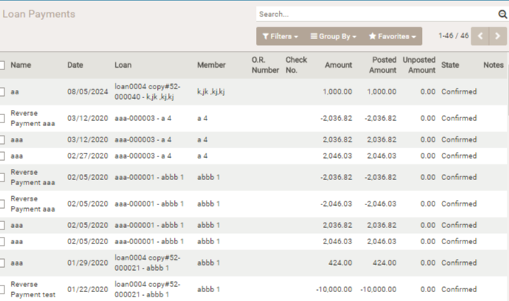

 | 1.Basic

 | Other | Draft records are displayed in red

 | 2. Field
 | Item |  | note
 | Name
 | Date
 | Loan
 | Member
 | O.R.Number
 | Check No.
 | Amount
 | Posted Amount
 | Unposted Amount
 | State
 | Notes

B.Form View (Business Document View)

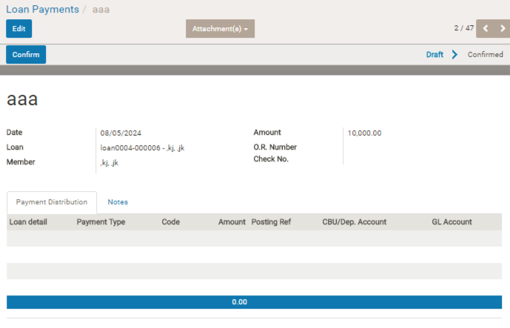
 | 1. Header

 | Business Logic
 | Item |  | logic
 | Confirm |  | Allocate payment amount into [principal due][interest due][penalty due]. The allocate order is [penalty] > [interest] > [principal]. If click [manual], you can allocate manually.
 | Reverse Payment |  | This button is shown in case of status is confirmed. Offset transaction will be made by this by reverse payment date.
 | Status Bar |  | Draft > Confirmed

 | 2.Sheet

 | a.Sheet header
 | Input and Refer the payment info

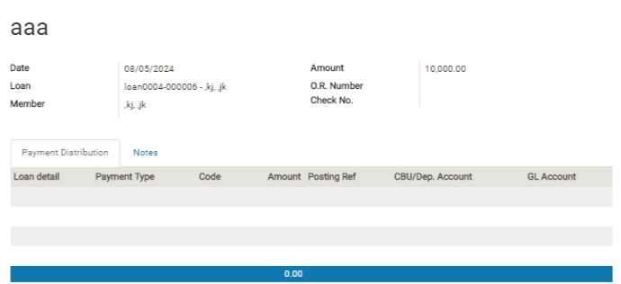

 | Item |  | note
 | (Name) |  | ラベルは表示されない aaa のところ
 | Date |  | 入金日 （日次オープンされた日付が自動的に表示される。） Readonly
 | Laon |  | 遷移元から引き継ぐ、Readonly
 | Member |  | 遷移元から引き継ぐ、Readonly
 | Amount |  | 入金額
 | OR Number |  | メモ情報
 | Check No. |  | メモ情報

 | b.Information tab ( model = wc.loan.payments.distribution)
 | This tab is for Entry and Refer the Basic Information of the loan.
 | If Approved the Loan , this tab cannot edit even if edit mode.

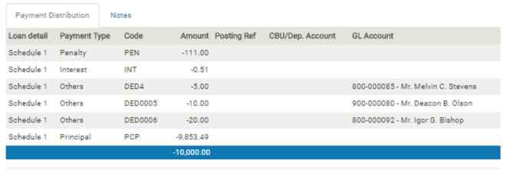

 | Item |  | note
 | Loan detail |  | Loan Billing 番号
 | Payment Type |  | Dueの種類。 Penalty , Interest , Other , Principal の４つ
 | Code |  | 会計データを識別するためのコード
 | Amount |  | 割り当てられた金額
 | Posting Ref |  | 会計連携された日付
 | CBU/Dep.Account |  | Recuring タイプのDeduction の場合で、Codeが CBU ＳＡ のときはメンバーの口座に入金額が積み立てられるがその対象口座
 | GL Account |  | Deduction の場合に、そこに指定されている会計科目

